Diagrams
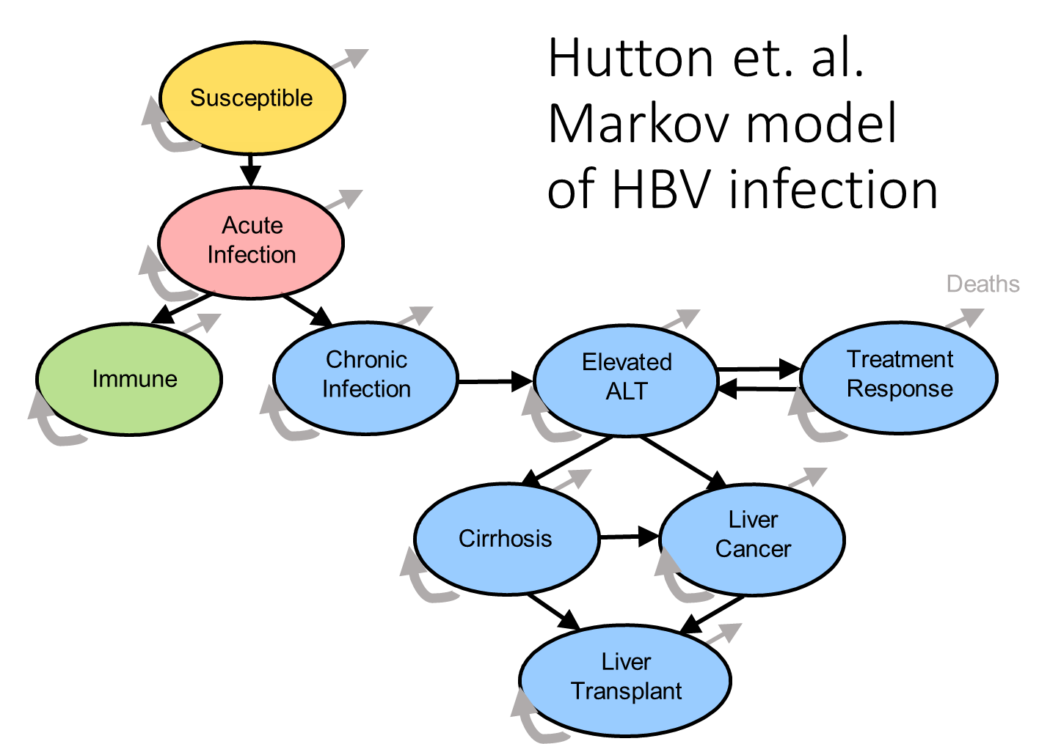
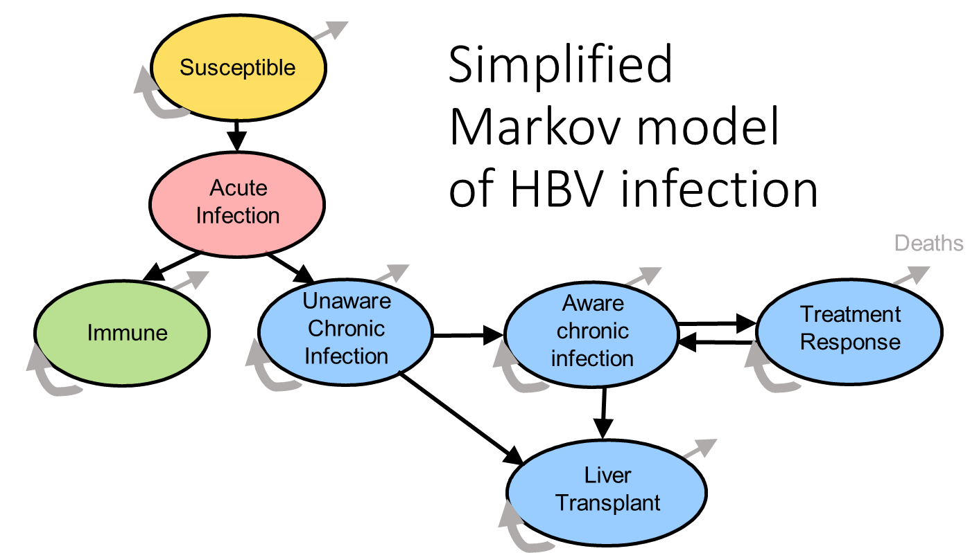

Inputs-SQ
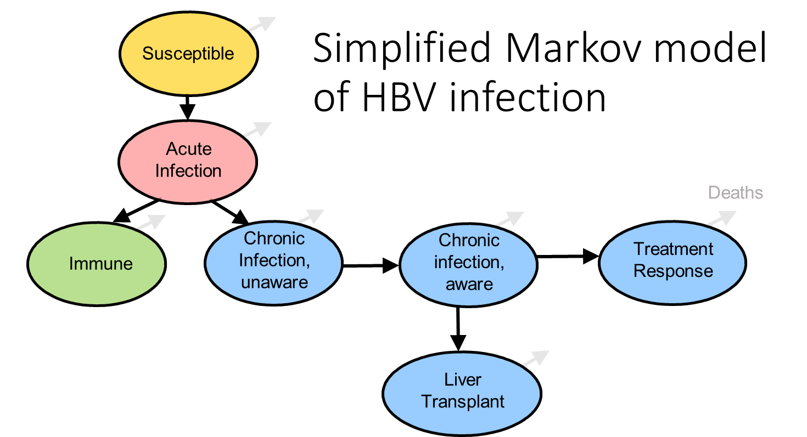
Number of people in each state initially - status quo
State | # in state initially | Suggested name
Succeptible (SC) | 3000 | i_SC
Acute infection (AI) | 0 | i_AI
Immune (IM) | 6000 | i_IM
Chronic infection, unaware (CU) | 1000 | i_CU
Chronic infection, aware (CA) | 0 | i_CA
Treatment response (TR) | 0 | i_TR
Liver transplant (LT) | 0 | i_LT
Percent reduction in age-specific survival
State | % reduction | Suggested name
Succeptible | 0% | survRed_SC
Immune | 0% | survRed_IM
Chronic infection, unaware | 3% | survRed_CU
Chronic infection, aware | 3% | survRed_CA
Treatment response | 0% | survRed_TR
Liver transplant | 70% | survRed_LT
Transition probabilities
From and to states | Probability | Suggested name
Succeptible to Acute | 0.02 | p_SCtoAI
Acute to immune | 0.85 | p_AItoIM
Acute to chronic/unaware | 0.1 | p_AItoCU
Chronic/unaware to liver transplant | 0.02 | p_CUtoLT
Chronic/unaware to chronic/aware | 0.1 | p_CUtoCA
Chronic/aware to treatment response | 0.2 | p_CAtoTR
Chronic/aware to liver transplant | 0.02 | p_CAtoLT
Costs per state
State | Cost | Suggested name
Succeptible (SC) | $250 | c_SC
Acute infection (AI) | $300 | c_AI
Immune (IM) | $250 | c_IM
Chronic infection, unaware (CU) | $320 | c_CU
Chronic infection, aware (CA) | $500 | c_CA
Treatment response (TR) | $700 | c_TR
Liver transplant (LT) | $1,700 | c_LT
Utility per state
State | Cost | Suggested name
Succeptible (SC) | 1.00 | u_SC
Acute infection (AI) | 0.98 | u_AI
Immune (IM) | 1.00 | u_IM
Chronic infection, unaware (CU) | 0.90 | u_CU
Chronic infection, aware (CA) | 0.95 | u_CA
Treatment response (TR) | 0.98 | u_TR
Liver transplant (LT) | 0.40 | u_LT

Markov trace
Markov Trace Diagrams
Status quo: | Screen + Treat: | Example: Status quo Markov trace:
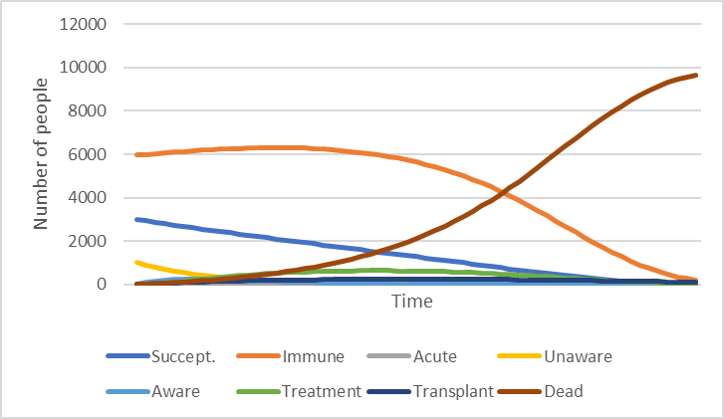

Vaccine: | Screen, treat + vaccinate:

